Sheet1
Project : Branch Document Management System
Task no | Task name | Owner | Start date | Finish date | Actual Start | Actual Finish | Duration time | Status | Remarks
1 | Introduction
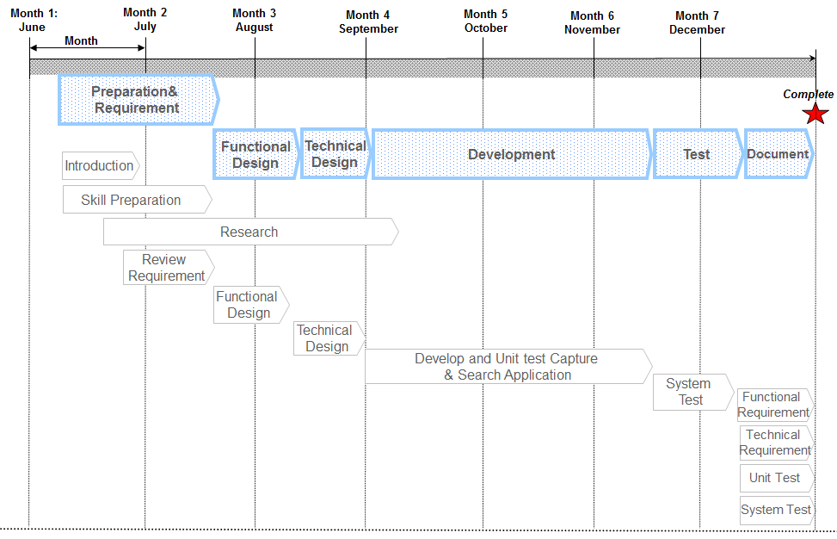
 | First meeting brief session
 | Present project Open Account Document Management
 | Present project IBG Credit Document Management

2 | Skill preparation
 | Web base application
 | Twain driver with HTML5
 | Basic IBM FileNet Content Manager

3 | Research
 | Alfresco Enterprise Content Management
 | PostgreSQL Database

4 | Development
 | Logon function
 | Index function
 | Import and scan function

